Problem 4.4
Problem 4.4

Refer to the problem in the text.

Part-a (the snowflake schema) is completed below.

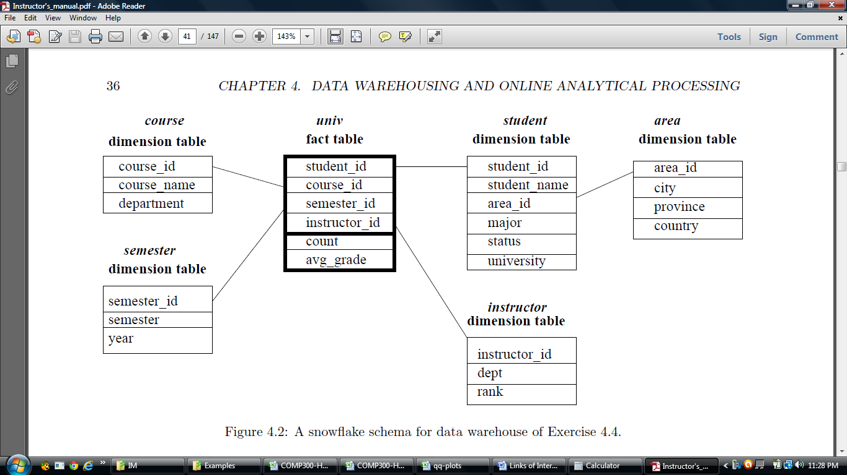

Using this schema, starting with the base cuboid [student, course, semester, instructor], what specific OLAP operations
(e.g., roll up from semester to year) should one perform in order to list the following:

• | to list the average grade for all of my students (my instructor_id is 007) | Roll up course -> department -> student_id ->university
• | to list the average grade for all CS majors | Roll up instructor_id -> rank -> student_id ->university
• | to list the average grade for all CS majors in 2012 | dice on course, student , intructor with department=CS, university=loyola, instructor_id=007
• | to list the average grade of English courses for each student | drill down on student from university to student_name
• | to list the average grade of English courses for all students
• | to list the average grade for each student in the year 2012 | Roll up course -> department -> student_id ->university
• | to list the average grade for all students in the year 2012 | dice on course, student , with department=CS, university=loyola
 |  | drill down on student from university to major

 |  | Roll up course -> department -> student_id ->university
 |  | Roll up semester_id -> year
 |  | dice on course, student, year , with department=CS, university=loyola, year=2012
 |  | drill down on student from university to major

 |  | Roll up course -> department -> student_id ->university
 |  | dice on course, student , with course_name=English university=loyola
 |  | drill down on student from university to student_name

 |  | Roll up course -> department -> student_id ->university
 |  | dice on course, student , with course_name=English university=loyola
 |  | drill down on course from department to course_name

 |  | Roll up on fact_table from student_id ->avg_grade
 |  | Roll up on semester from semester_id -> year
 |  | dice on semester , with year=2012
 |  | drill down on student from university to student_name
 |  | drill down on fact_table from avg_grade

 |  | Roll up on fact_table from student_id ->avg_grade
 |  | Roll up on semester from semester_id -> year
 |  | dice on semester,university , with year=2012, university=loyola
 |  | drill down on student from university

Example 5.1
 | Example for Chapter 5 Exercise 1 using only 5 dimensions
 |  |  |  |  | additional
 | Agg. # | base cell 1 (c1) | c1 overlaps | base cell 2 (c2) | c2 overlaps | base cell 3 (c3)
 |  | (a1,d2,d3,d4,d5) |  | (d1,b2,d3,d4,d5) |  | (d1,d2,c3,d4,d5)
 | 1 | (*,d2,d3,d4,d5) | none | (*,b2,d3,d4,d5) | none | (*,d2,c3,d4,d5)
 | 2 | (a1,*,d3,d4,d5) | none | (d1,*,d3,d4,d5) | none | (d1,*,c3,d4,d5)
 | 3 | (*,*,d3,d4,d5) | c2:3 | (*,*,d3,d4,d5) | none | (*,*,c3,d4,d5)
 | 4 | (a1,d2,*,d4,d5) | none | (d1,b2,*,d4,d5) | none | (d1,d2,*,d4,d5)
 | 5 | (*,d2,*,d4,d5) | c3:5 | (*,b2,*,d4,d5) | none | (*,d2,*,d4,d5)
 | 6 | (a1,*,*,d4,d5) | none | (d1,*,*,d4,d5) | c3:6 | (d1,*,*,d4,d5)
 | 7 | (*,*,*,d4,d5) | c2:7, c3:7 | (*,*,*,d4,d5) | none | (*,*,*,d4,d5)
 | 8 | (a1,d2,d3,*,d5) | none | (d1,b2,d3,*,d5) | none | (d1,d2,c3,*,d5)
 | 9 | (*,d2,d3,*,d5) | none | (*,b2,d3,*,d5) | none | (*,d2,c3,*,d5)
 | 10 | (a1,*,d3,*,d5) | none | (d1,*,d3,*,d5) | none | (d1,*,c3,*,d5)
 | 11 | (*,*,d3,*,d5) | c2:11 | (*,*,d3,*,d5) | none | (*,*,c3,*,d5)
 | 12 | (a1,d2,*,*,d5) | none | (d1,b2,*,*,d5) | none | (d1,d2,*,*,d5)
 | 13 | (*,d2,*,*,d5) | c3:13 | (*,b2,*,*,d5) | none | (*,d2,*,*,d5)
 | 14 | (a1,*,*,*,d5) | none | (d1,*,*,*,d5) | c3:14 | (d1,*,*,*,d5)
 | 15 | (*,*,*,*,d5) | c2:15, c3:15 | (*,*,*,*,d5) | none | (*,*,*,*,d5)
 | 16 | (a1,d2,d3,d4,*) | none | (d1,b2,d3,d4,*) | none | (d1,d2,c3,d4,*)
 | 17 | (*,d2,d3,d4,*) | none | (*,b2,d3,d4,*) | none | (*,d2,c3,d4,*)
 | 18 | (a1,*,d3,d4,*) | none | (d1,*,d3,d4,*) | none | (d1,*,c3,d4,*)
 | 19 | (*,*,d3,d4,*) | c2:19 | (*,*,d3,d4,*) | none | (*,*,c3,d4,*)
 | 20 | (a1,d2,*,d4,*) | none | (d1,b2,*,d4,*) | none | (d1,d2,*,d4,*)
 | 21 | (*,d2,*,d4,*) | c3:21 | (*,b2,*,d4,*) | none | (*,d2,*,d4,*)
 | 22 | (a1,*,*,d4,*) | none | (d1,*,*,d4,*) | c3:22 | (d1,*,*,d4,*)
 | 23 | (*,*,*,d4,*) | c2:23, c3:23 | (*,*,*,d4,*) | none | (*,*,*,d4,*)
 | 24 | (a1,d2,d3,*,*) | none | (d1,b2,d3,*,*) | none | (d1,d2,c3,*,*)
 | 25 | (*,d2,d3,*,*) | none | (*,b2,d3,*,*) | none | (*,d2,c3,*,*)
 | 26 | (a1,*,d3,*,*) | none | (d1,*,d3,*,*) | none | (d1,*,c3,*,*)
 | 27 | (*,*,d3,*,*) | c2:27 | (*,*,d3,*,*) | none | (*,*,c3,*,*)
 | 28 | (a1,d2,*,*,*) | none | (d1,b2,*,*,*) | none | (d1,d2,*,*,*)
 | 29 | (*,d2,*,*,*) | c3:29 | (*,b2,*,*,*) | none | (*,d2,*,*,*)
 | 30 | (a1,*,*,*,*) | none | (d1,*,*,*,*) | c3:30 | (d1,*,*,*,*)
 | 31 | (*,*,*,*,*) | c2:31, c3:31 | (*,*,*,*,*) | none | (*,*,*,*,*)
 |  | c1 single overlaps: | 8 |  | 4 | additional c2 single overlaps
 |  | c1 double overlaps: | 4 | 1 x 2^2
 |  |  | 4 | ←←this has to be counted twice
 |  | total single overlaps: | 12 | 3 x 2^2

 |  | non-empty aggregate cells: | 93 | 3 x 2^5 - 3 | each cell generates 2^5 - 1 nonempty aggregate cells
 |  | non-overlapping aggregates: | 73 | 3 x 8 x 2^2 - 1 x 3 x 2^2 - 2 x 1 x 2^2 -3 = 19 x 2^2 -3
 | ----------------------------------------------------
 | Explaining the final formula |  |  | 3 x 8 x 2^2 - 1 x 3 x 2^2 - 2 x 1 x 2^2 -3 = 19 x 2^2 -3 = 73
An easier way to view single overlaps: We know that each cell generates 2^n non-empty cells. So, for double overlaps, all of the cells have 2 elements in common (d4 and d5), so each cell generates 2^2 aggregate cells drom d4 and d5. That's 3 * 2^2. One copy we keep . The other two are duplicates. So we subtract 2*2^2.
For single overlaps, consider the case of cell 1 and cell 2. They have 3 elements in common: d3, d4 and d5. Those dimensions will generate 2^3 overlapped cells. However, we already counted 2^2 cells for the double overlap. What we are really saying is that we have one additional case (when d3 overlaps) that d4 and d5 also overlap. So we have the 1 additional single overlap of 2^2. The same situation holds true for cell2 and cell3. There is one additional element (d1) that they have in common. This would generate an addtional 2^2 overlapping cells. (Why is the exponent 2, when there's only one additonal element in common? Because it is generating duplicates for when you have d3, d4 and d5 ALL in common. See aggregate#3 and aggregate#11 as examples.
This may help to explain why in your textbook problem 5.1, they subtract 3*2^7--because a total off 7 elements overlap in all 3 cells, so you are subtracting those additional cases of double overlap where you also have an overlap with yet another element, which only overlaps in two of the cells.
 | Begin with the non-empty aggregate cells: |  | 3 x 2^5 - 3
 | Factor out 2^3 (since everything else |  | 3 x 2^3 x 2^2 -3
 |  | is written in terms of 2^2)
 | Simplify |  | 3 x 8 x 2^2 -3
 | Subtract single overlaps |  | 1 x 3 x 2^2
 | Subtract double overlalps (twice!!) |  | 2 x 1 x 2^2

1. | How many non-empty cuboids will a full data cube contain?
 |  |  | 2^5 = 32
2. | How many non-empty aggregate (i.e. non-base) cells
 | will a full cube contain?
 | Each cell generates 2^5 - 1 nonempty aggregated cells.
 | So we have 3 x 2^5- 3 cells.

 | Double Overlap: There is one case where all 3 base cells overlap: d4, d5
 | 1 case x 2^2 = 4. So there are 4 aggregate cells that "double" overlap.
 | So this must be subtracted twice, since it was originally include 3 times.

 | Single Overlap: There are 3 cases where 2 base cells overlapl:
 | base cell c1: a1, d2, d3, d4, d5 |  | green circles around d3
 | base cell c2: d1, b2, d3, d4, d5 |  | blue circles around d2
 | base cell c3: d1, d2, c3, d4, d5 |  | red circles around d1
 | 3 x 2^2 (exponent is number of elements all 3 have in common)
 | In the problem in the book (5.1), note that the exponent is 2^7.
(the circles were placed so that they printed correctly….)

Example 9.1 demo and HW
Homework Problem 9.1:
Continuing Example 9.1 of your text (pp. 404-405), assume that the second training tuple
is X = (1, 1, 0). Using the new weights and biases as your "Old" weights,
show the backpropagation calculations that will be triggered by this training tuple.
Assume that the known class label of this tuple is "1".
Assume that the learning rate remains .9.

You may use any programming tool you wish (or none at all). But your results
should be presented in a format similar to the tables below,
as demonstrate in class.

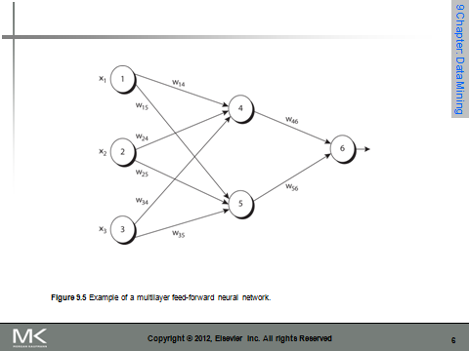

 | item | Old_w
 | x1 | 1
 | x2 | 1
 | x3 | 0
 | w14 | 0.19214789423
 | w15 | -0.30588787656
 | w24 | 0.4
 | w25 | 0.1
 | w34 | -0.50785210577
 | w35 | 0.19411212344
 | w46 | -0.26082884634
 | w56 | -0.13802506751
 | θ4 | -0.40785210577
 | θ5 | 0.19411212344
 | θ6 | 0.21805217039

Table 9.2 | Net Input and Output Calculations
Use equation 9.4 on p. 402 to compute Net Inputs
Use equation 9.5 on p. 402 to compute Output

 | Unit | Net Input Formula |  | Net Input | Output
 | 4
 | 5
 | 6

Table 9.3 | Calculation of error at each node
Use equation 9.6 on page 403 for output layer error
Use equation 9.7 on page 403 for hidden layer error
The example in the book states that the known class label is "1".
 | Unit | Error Formula |  |  | Error
 | 6
 | 5
 | 4

Table 9.4 | Calculations for Weight and Bias Updating

Use equations 9.8 an 9.9 on page 403

L= | 0.9 | This is the constant learning rate they chose for
 |  | this specific model.

 | item | Old_w | New weight formula |  | New weight
 | x1 | 1
 | x2 | 1
 | x3 | 0
 | w14 | 0.19214789423
 | w15 | -0.30588787656
 | w24 | 0.4
 | w25 | 0.1
 | w34 | -0.50785210577
 | w35 | 0.19411212344
 | w46 | -0.26082884634
 | w56 | -0.13802506751
 | θ4 | -0.40785210577
 | θ5 | 0.19411212344
 | θ6 | 0.21805217039

